Sheet1
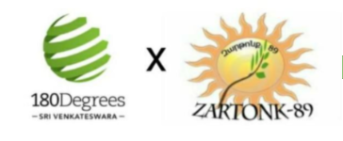

Interactions | Communication Type | Timeline | New Donors | Loyal Donors | Major Donors | Planned Giving Donors
Acknowledgement | Acknowledgement Email | Within 24 hours | FALSE | FALSE | FALSE | FALSE
 | Acknowledgement Call | Within 48 hours | FALSE | FALSE | FALSE | FALSE
 | Welcome letter | Within 1 Week | FALSE | FALSE | FALSE | FALSE
Recognition | Donor lunch invite | Annually | FALSE | FALSE | FALSE | FALSE
 | Report listing | Annually | FALSE | FALSE | FALSE | FALSE
 | Legacy Society Invitation | Quarterly | FALSE | FALSE | FALSE | FALSE
 | Newsletter mention | Quarterly | FALSE | FALSE | FALSE | FALSE
Reporting | Impact Report | Quarterly | FALSE | FALSE | FALSE | FALSE
 | Update on Donation Use | Twice a year | FALSE | FALSE | FALSE | FALSE
 | Video Update of Impact | Quarterly | FALSE | FALSE | FALSE | FALSE
Ongoing Engagement | Volunteer Opportunity | Quarterly | FALSE | FALSE | FALSE | FALSE
 | Donor Survey | Quarterly | FALSE | FALSE | FALSE | FALSE
 | Donor Tax Summaries | Annually | FALSE | FALSE | FALSE | FALSE
 | Meet-Up | Annually | FALSE | FALSE | FALSE | FALSE
 | Donor Anniversary | Annually | FALSE | FALSE | FALSE | FALSE
 | Holiday Card | Annually | FALSE | FALSE | FALSE | FALSE
 | Donor Stories | Quarterly | FALSE | FALSE | FALSE | FALSE

